UI For adding new risks
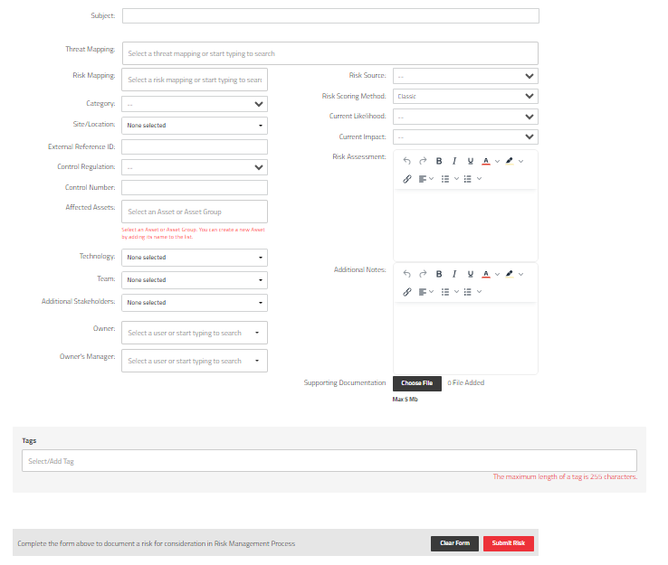
Risk management is a form to register a new risk/issue. The form already exists but it’s not a form.

